OFFER
IMAGE | DESCRIPTION | ART NUMBER | SEX | TYPE | COLOUR | EAN CODE | QTY | RRP | RRP TOT GBP | RRP TOT EUR
 | BURBERRY Black Satin Dress | 8088875 | WOMAN | Dress | BLACK | 5045706138393 | 34 | £2,300.00 | £78,200.00 | € 89,148.00
 | One-shoulder Jerssey Ruffled Dress In Red | 8087963 | WOMAN | Topwear | RED/NAVY | 5045704442120 | 25 | £2,989.00 | £74,725.00 | € 85,186.50
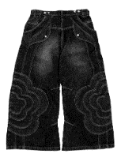 | Straight Leg Denim Jeans | 8088406 | WOMAN | Trousers | BLACK | 5045706159787 | 7 | £2,990.00 | £20,930.00 | € 23,860.20
 | Burberry Faux Fur Trench Coat Clove | 8076897 | WOMAN | Jacket | CLOVE | 5045704387458 | 4 | £4,590.00 | £18,360.00 | € 20,930.40
 | Burberry Duck Print Silk Minidress | 8077259 | WOMAN | Dress | PEAR IP PATTERN | 5045704387459 | 19 | £3,100.00 | £58,900.00 | € 67,146.00
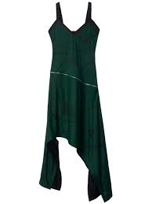 | shield hardware asymmetric midi dress | 8088621 | WOMAN | Topwear | VINE IP PATTERN | 5045706137884 | 34 | £4,591.00 | £156,094.00 | € 177,947.16
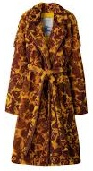 | Burberry Rose Shearling Trench Coat Pear | 8076911 | WOMAN | Jacket | PEAR IP PATTERN | 5045704388622 | 6 | £6,850.00 | £41,100.00 | € 46,854.00
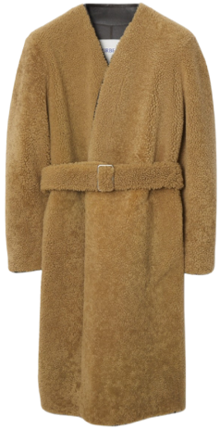 | Burberry Shearling Wrap Coat Moss | 8077433 | WOMAN | Jacket | MOSS | 5045704442120 | 5 | £4,690.00 | £23,450.00 | € 26,733.00
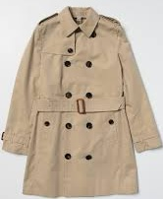 | Burberry Trench-Coat - Beige | 8001162 | KIDS | Jacket | ARCHIVE BEIGE | 5045556648325 | 50 | £1,200.00 | £60,000.00 | € 68,400.00
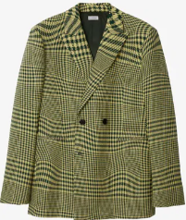 | Burberry Men's Green Jacket | 8082624 | MEN | Blazer | IVY IP PATTERN | 5045456412804 | 15 | £3,285.00 | £49,275.00 | € 56,173.50
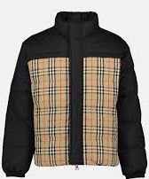 | Vintage Check Reversible Down Jacket | 8079296 | Unisex | Jacket | ARCHIVE BEIGE IP CHK | 5045704544174 | 1 | £1,999.00 | £1,999.00 | € 2,278.86
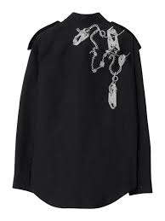 | Long Sleeve Knight-Hardware Printed Shirt | 8088813 | MEN | Shirt | SILVER/BLACK | 5045705343540 | 1 | £905.00 | £905.00 | € 1,031.70
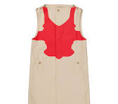 | Men's Reconstructed-Print Sleeveless Car Coat | 8051856 | MEN | Jacket | SOFT FAWN | 5045704546122 | 10 | £3,550.00 | £35,500.00 | € 40,470.00
 | Burberry Straight-Leg | 8057306 | MEN | Trousers | BLACK | 5045702095539 | 32 | £980.00 | £31,360.00 | € 35,750.40
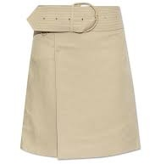 | Burberry Skirt with a wide belt | 8087482 | WOMAN | Skirt | COAT | 5045705677749 | 73 | £2,490.00 | £181,770.00 | € 207,217.80
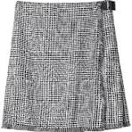 | Skirt woman Burberry | 8083009 | WOMAN | Skirt | MONOCHROME IP PTTN | 5045705094553 | 57 | £2,490.00 | £141,930.00 | € 161,800.20
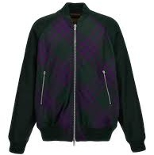 | Burberry Check reversible bomber jacket | 8078899 | MEN | Jacket | DEEP ROYAL IP CHECK | 5045704716559 | 32 | £2,509.00 | £80,288.00 | € 91,528.32
 | zip-detail cotton-linen dress | 8086911 | WOMAN | Jacket | IRON | 5045705696283 | 6 | £2,289.00 | £13,734.00 | € 15,656.76
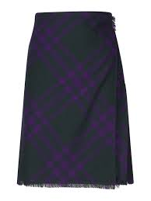 | Vintage Check Frayed-Edge Wool Skirt | 8078013 | WOMAN | Shirt | DEEP ROYAL IP CHECK | 5045704587315 | 9 | £1,800.00 | £16,200.00 | € 18,468.00
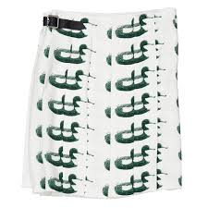 | Duck Print Kilt Silk Skirt | 8077276 | WOMAN | Skirt | VINE IP PAT | 5045704587321 | 5 | £2,980.00 | £14,900.00 | € 16,986.00
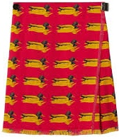 | Duck Print Wool Mini Skirt | 8077285 | WOMAN | Shirt | PILLAR IP PATTERN | 5045704587323 | 2 | £2,900.00 | £5,800.00 | € 6,612.00
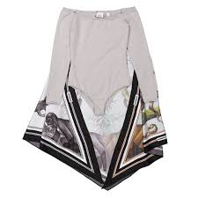 | Cashmere Off-the-shoulder Bodysuit With Monkey Print Scarf Trim | 4564617 | WOMAN | Scarf | GREY MELANGE | 5045704587329 | 1 | £2,900.00 | £2,900.00 | € 3,306.00
 | Check Turtleneck Stretch Tulle Bodysuit | 8068880 | WOMAN | BodySuit | Dark Birch Brown CHK | 5045704587331 | 1 | £3,600.00 | £3,600.00 | € 4,104.00
 | Houndstooth Pattern Midi Dress | 8082552 | WOMAN | Dress | MONOCHROME IP PTTN | 5045704587330 | 1 | £3,180.00 | £3,180.00 | € 3,625.20
 | Burberry Sequined Jersey Dress | 8071487 | WOMAN | Dress | Dark Birch Brown | 5045704587331 | 8 | £2,999.00 | £23,992.00 | € 27,350.88
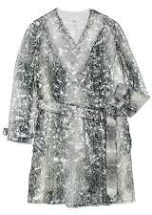 | Monochrome Sequinned Animal Print Belted Trench Dress | 8047169 | WOMAN | Dress | MONOCHROME IP PTTN | 5045704587332 | 3 | £2,500.00 | £7,500.00 | € 8,550.00
 | Ladies Camel Cut-Out Detail Knitted Long-Sleeve Dress | 4566649 | WOMAN | Dress | CAMEL | 5045704587333 | 1 | £4,800.00 | £4,800.00 | € 5,472.00
 | Long-Sleeved Button-Up Dress Openwork Inserts | 8068747 | WOMAN | Dress | OPTIC WHITE | 5045701464619 | 1 | £2,990.00 | £2,990.00 | € 3,408.60
 | Black Antonina Embellished Asymmetric Belted Silk Dress | 8071110 | WOMAN | Dress | BLACK | 5045704587336 | 2 | £3,500.00 | £7,000.00 | € 7,980.00
 | Ladies Slogan Print Sleeveless Cotton Dress | 8054411 | WOMAN | Dress | BRIGHT ORANGE | 5045704587337 | 1 | £2,992.00 | £2,992.00 | € 3,410.88
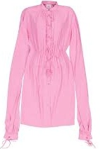 | Ladies Bubblegum Pink Joyce Silk Dress | 8032099 | WOMAN | Dress | BUBBLEGUM PINK | 5045623761920 | 1 | £2,290.00 | £2,290.00 | € 2,610.60
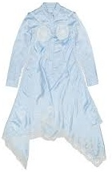 | Crinkled Effect Long Sleeve Dress | 8068743 | WOMAN | Dress | GLACIER BLUE | 5045623761921 | 1 | £3,900.00 | £3,900.00 | € 4,446.00
 | Textured Detailed Metallic Pants | 8055924 | WOMAN | Trousers | SILVER | 5045623761926 | 2 | £2,670.00 | £5,340.00 | € 6,087.60
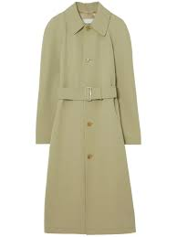 | Handkerchief-Hem Check Plisse Dress | 4566787 | WOMAN | Dress | CANARY YELLOW | 5045623762787 | 5 | £2,900.00 | £14,500.00 | € 16,530.00
 | Burberry Men’s Ezra Wool Tailored Trousers With Logo | 8065908 | MEN | Trousers | DUCK EGG BLUE | 5045705345184 | 3 | £2,150.00 | £6,450.00 | € 7,353.00
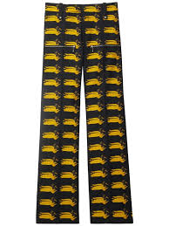 | Duck-print wool trousers | 8079162 | MEN | Trousers | PEAR IP PATTERN | 5045704681990 | 3 | £3,620.00 | £10,860.00 | € 12,380.40
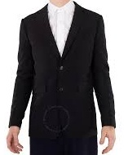 | Burberry Men's Black Single Breasted Tailored Jacket | 8052370 | MEN | Blazer | BLACK | 5045629376476 | 15 | £2,499.00 | £37,485.00 | € 42,732.90
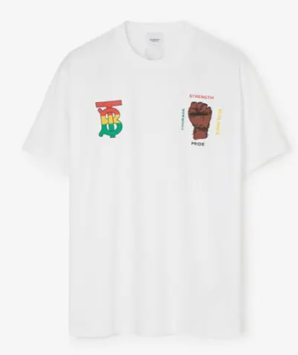 | history month cotton t-shirt - white | 8070912 | MEN | Topwear | WHITE | 5045704928532 | 15 | £399.00 | £5,985.00 | € 6,822.90
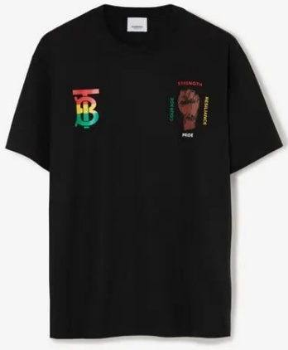 | history month cotton t-shirt - black | 8070911 | MEN | Topwear | BLACK | 5045704928531 | 27 | £399.00 | £10,773.00 | € 12,281.22
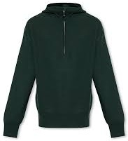 | Wool Half-Zip Hoodie | 8075881 | MEN | jumper | VINE | 5045704369577 | 7 | £889.00 | £6,223.00 | € 7,094.22
 | Side-Strap Leather Trousers | 8079085 | MEN | Trousers | OTTER | 5045704680139 | 1 | £3,980.00 | £3,980.00 | € 4,537.20
 |  |  |  |  |  |  |  |  |  | € 1,450,262.00

